wd=0
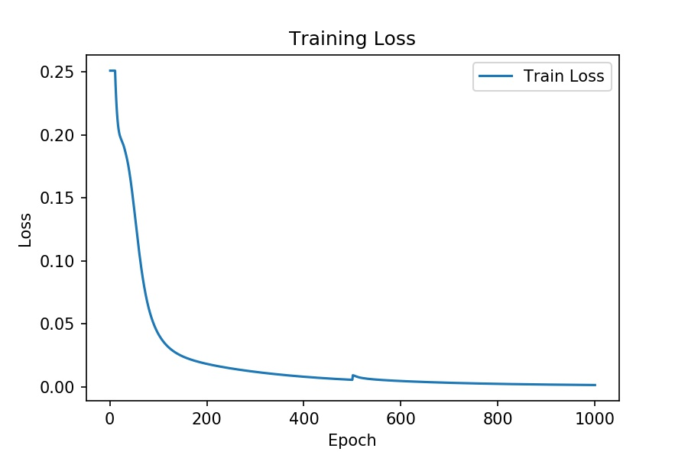
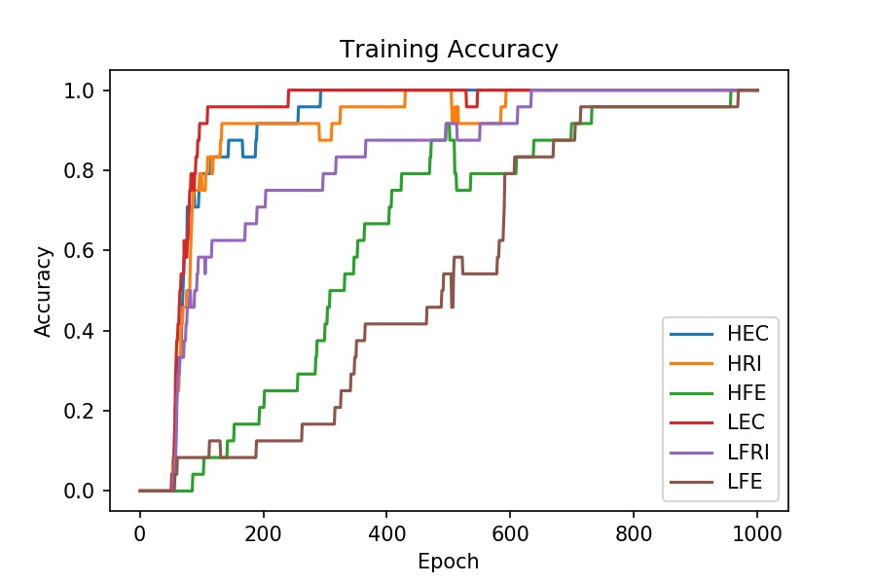
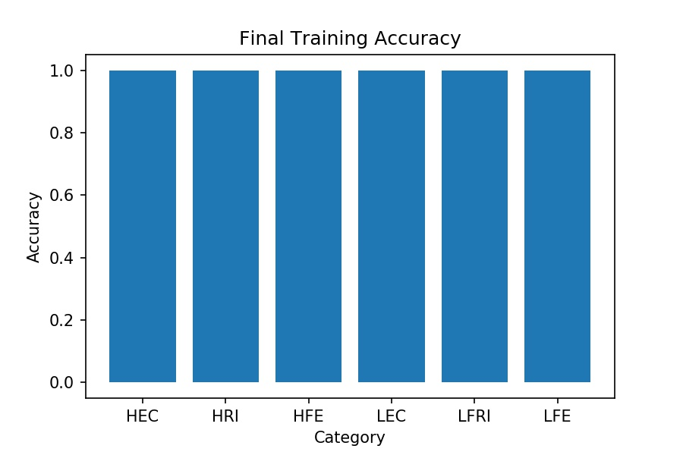
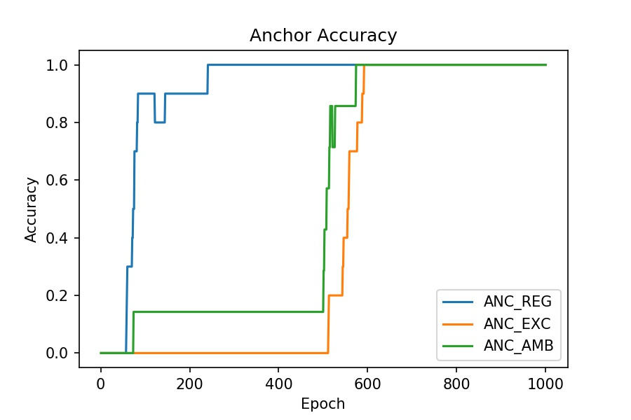
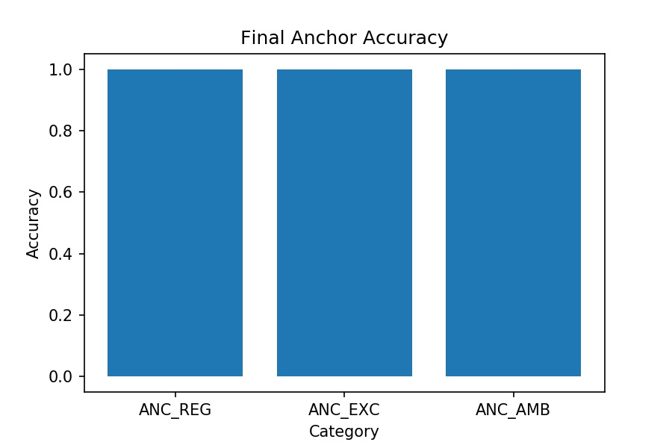
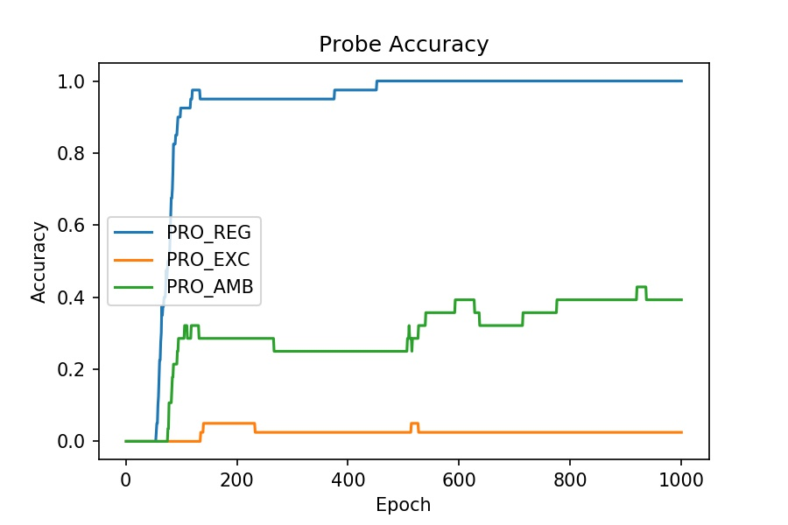
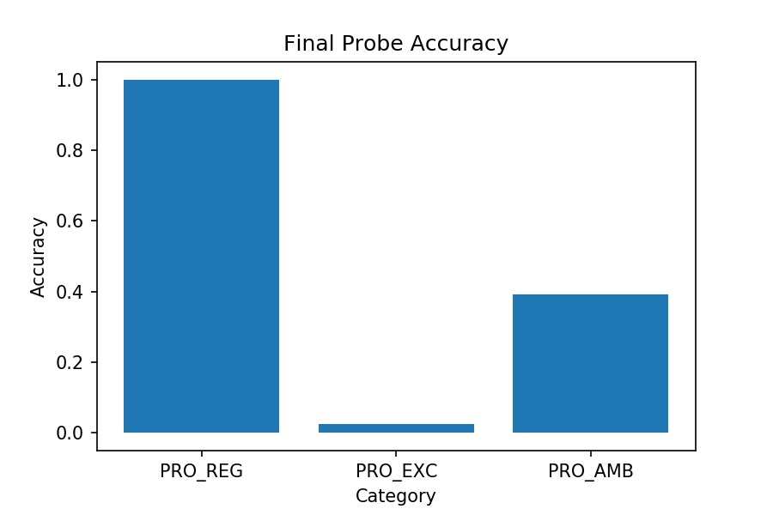
Simulation 1 | Anchor 1 only
[part1] |  | [part2]
start = 0 |  | start = 10
optim = SGD |  | optim = Adam
lr = 0.001 |  | lr = 0.01
momentum = 0 |  | momentum = 0.9
wd = 0 |  | wd = 0

wd=0.000001
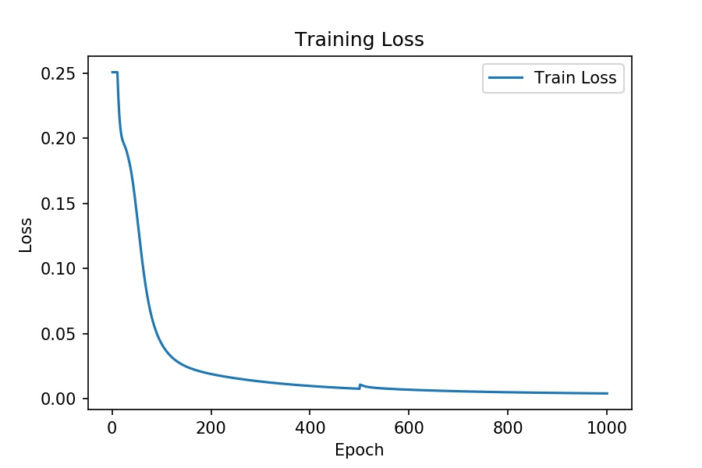
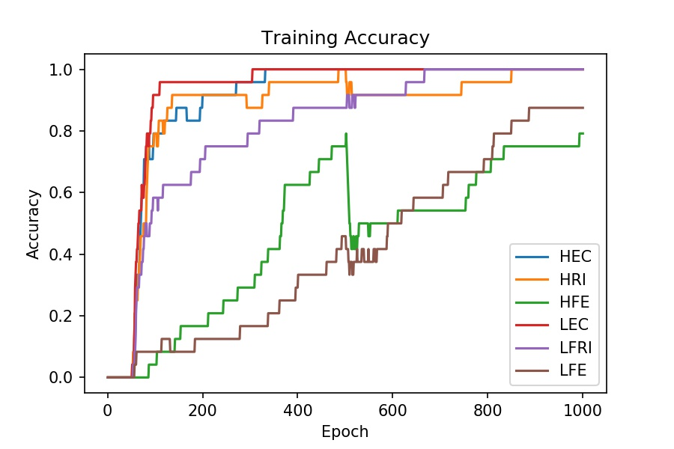
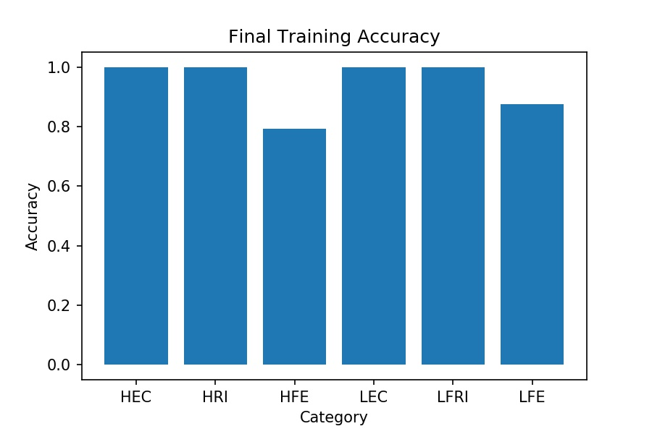
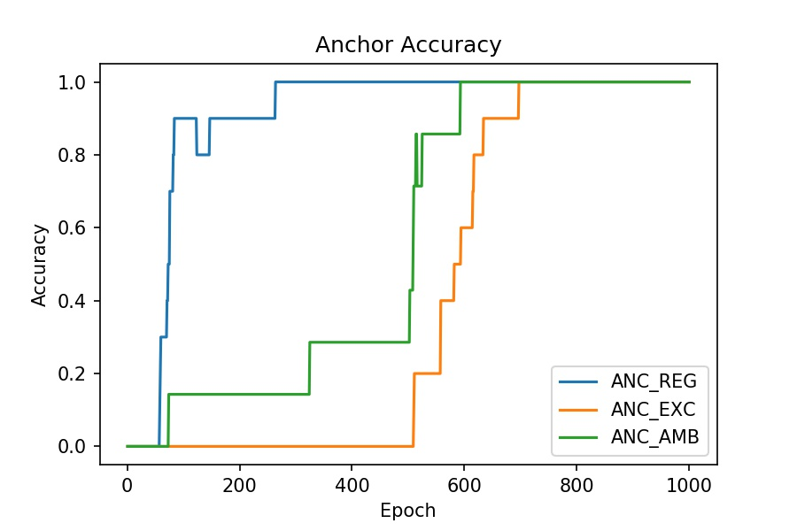
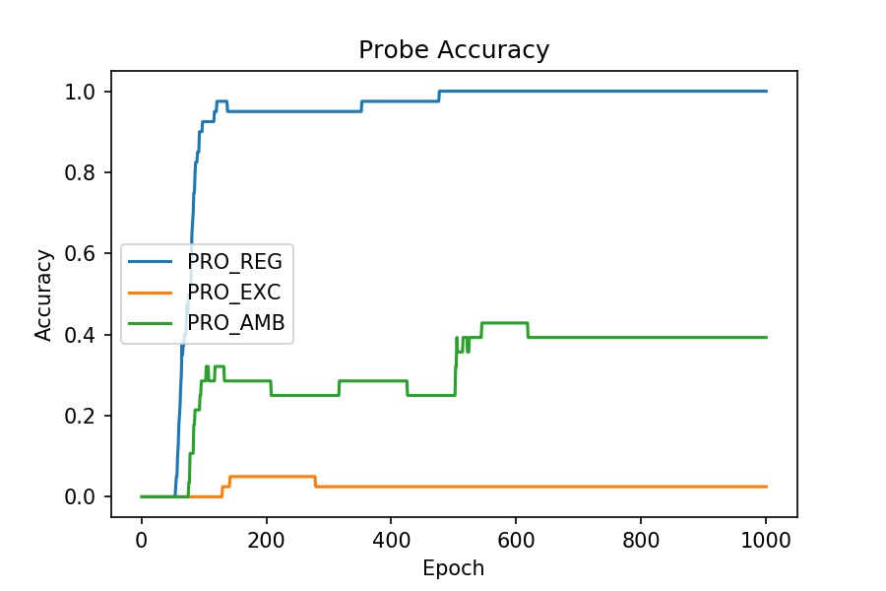
Simulation 2 | Anchor 1 only
[part1] |  | [part2]
start = 0 |  | start = 10
optim = SGD |  | optim = Adam
lr = 0.001 |  | lr = 0.01
momentum = 0 |  | momentum = 0.9
wd = 0.000001 |  | wd = 0.000001

wd=0.00001
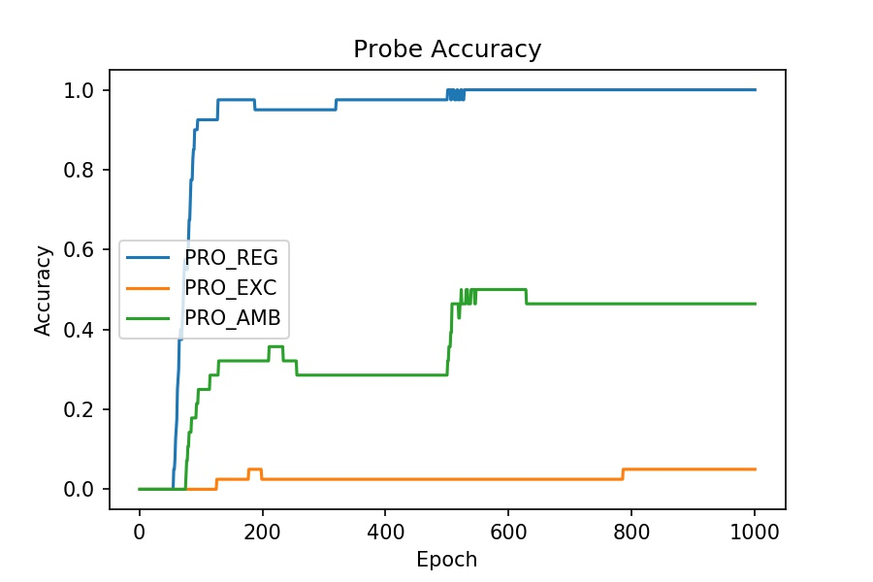
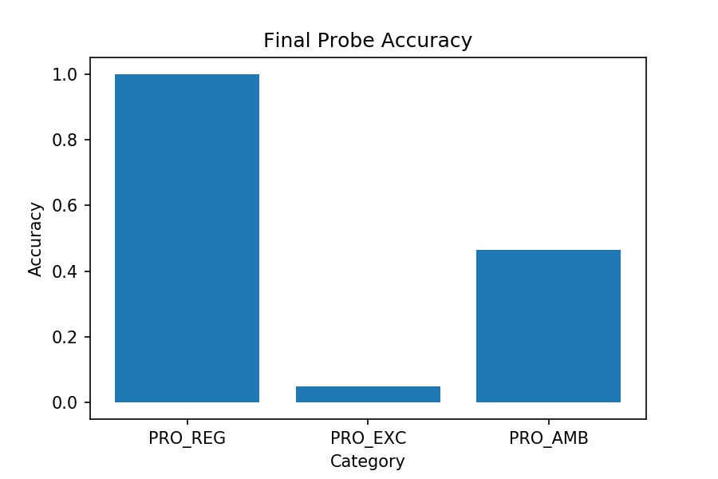
Simulation 3 | Anchor 1 only
[part1] |  | [part2]
start = 0 |  | start = 10
optim = SGD |  | optim = Adam
lr = 0.001 |  | lr = 0.01
momentum = 0 |  | momentum = 0.9
wd = 0.00001 |  | wd = 0.00001
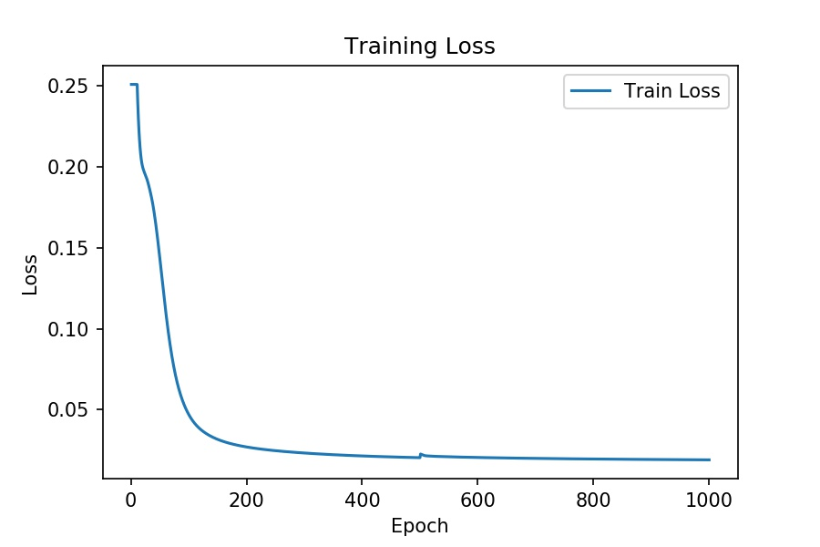

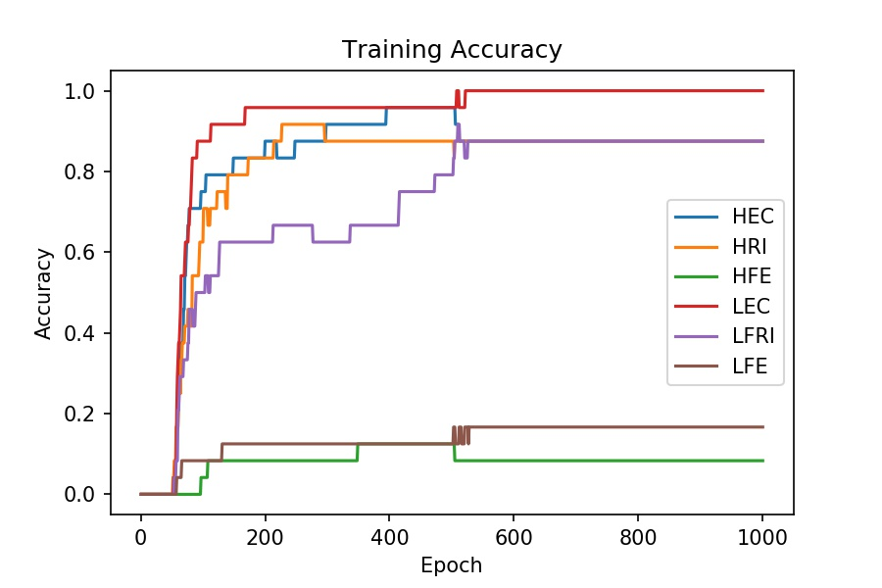
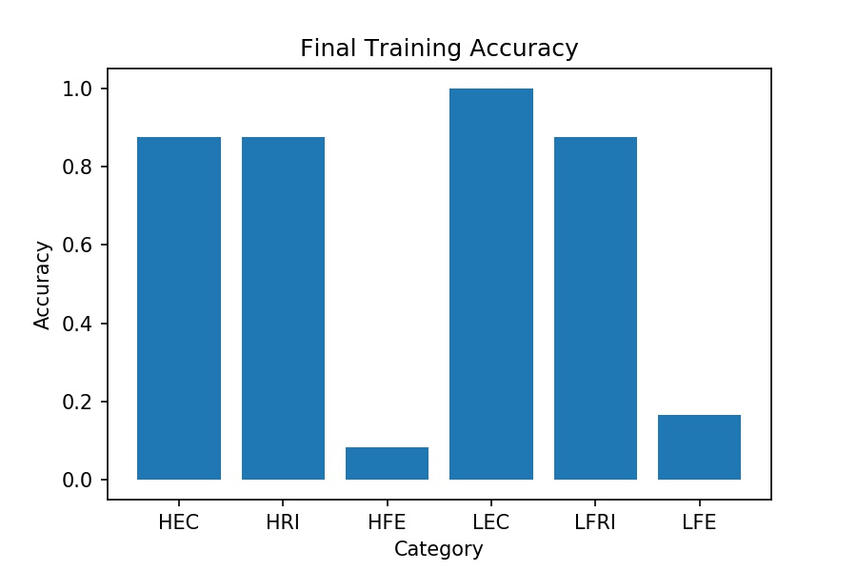

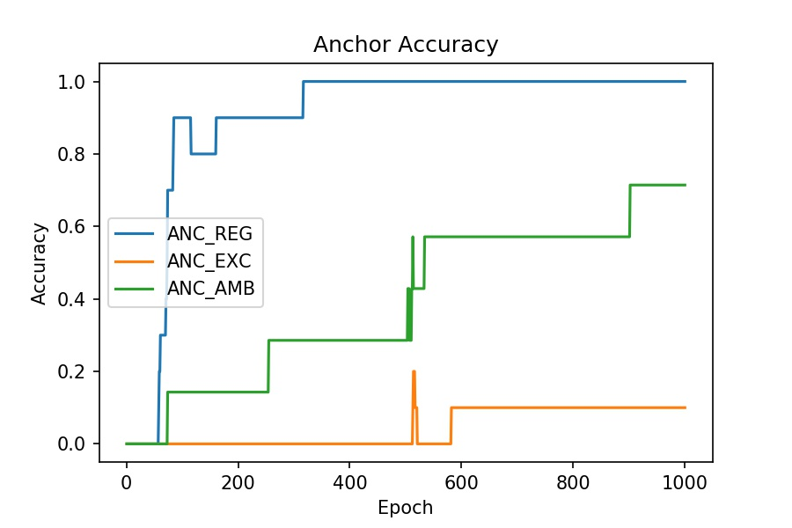
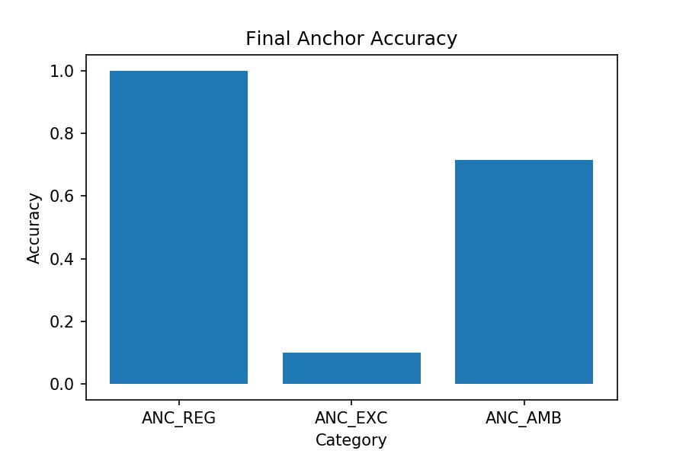

 |  |  | s

wd=0.0001
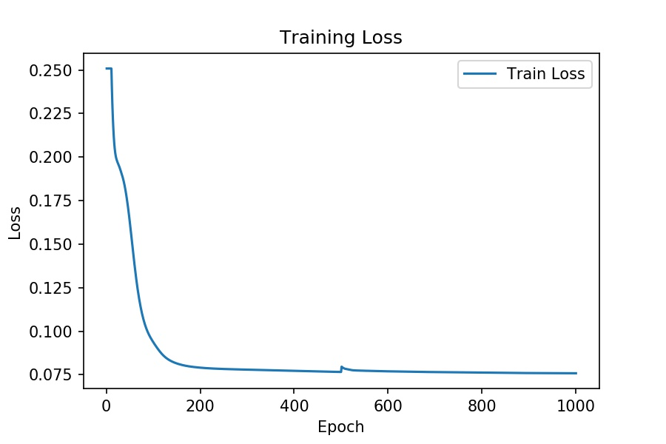
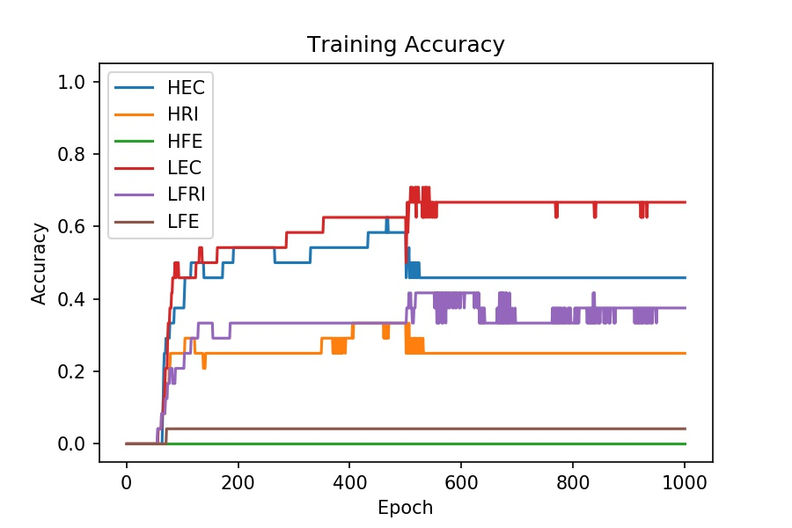
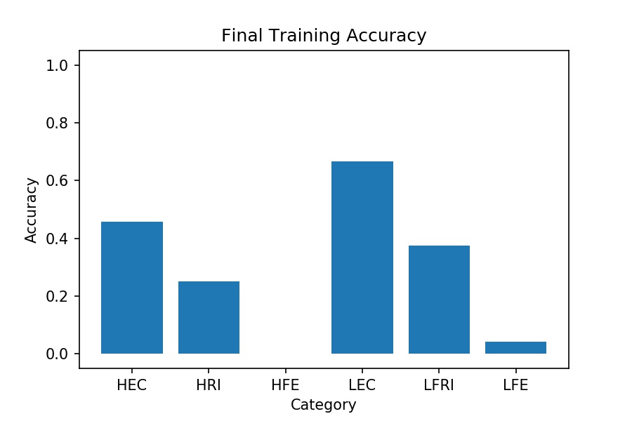
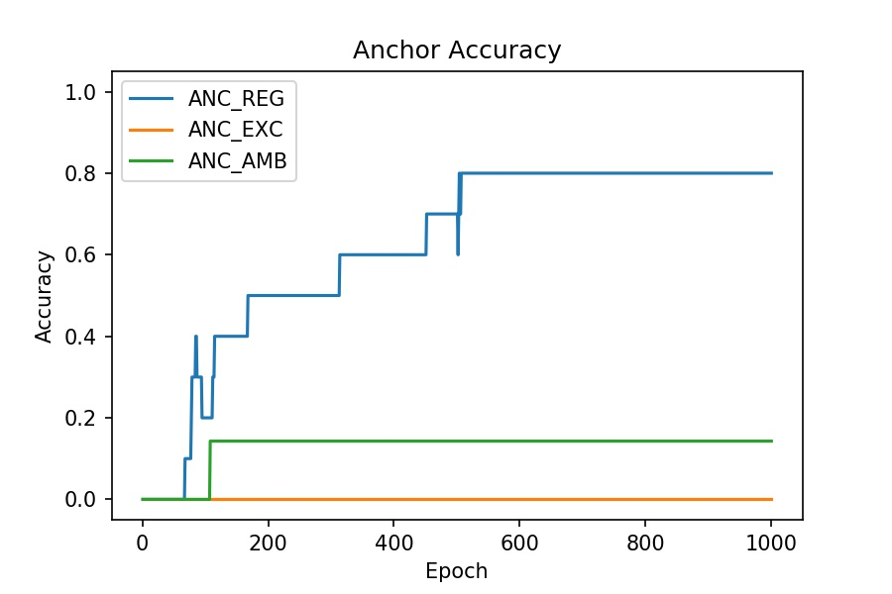
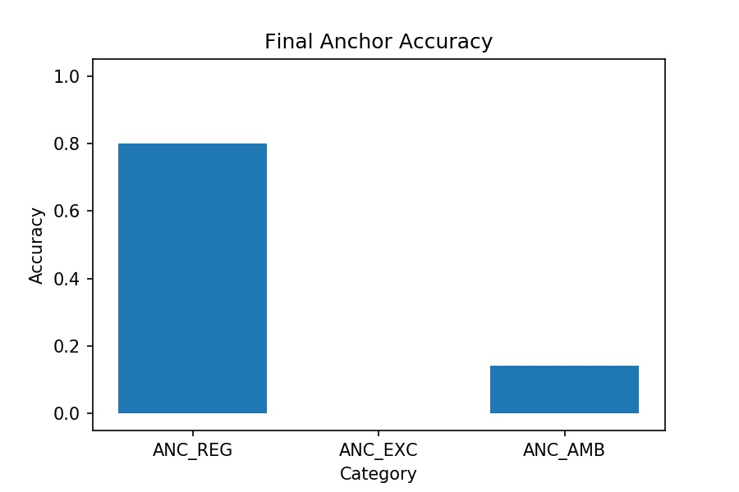
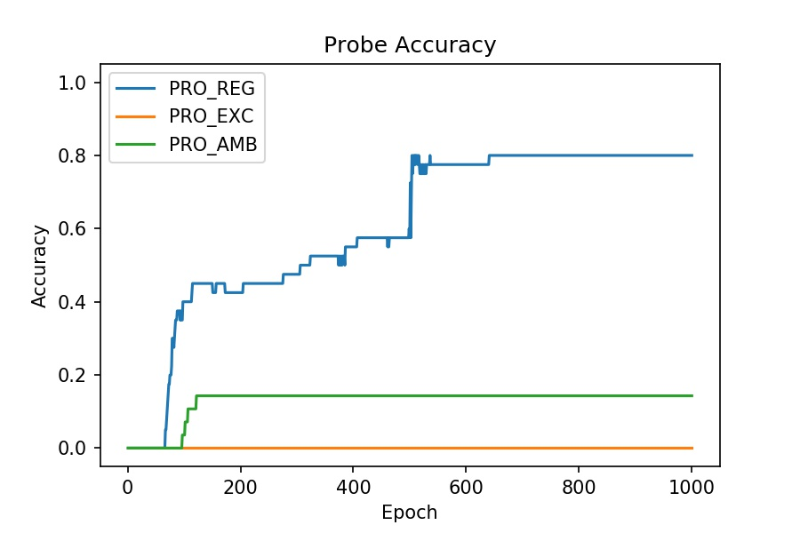

Simulation 4 | Anchor 1 only
[part1] |  | [part2]
start = 0 |  | start = 10
optim = SGD |  | optim = Adam
lr = 0.001 |  | lr = 0.01
momentum = 0 |  | momentum = 0.9
wd = 0.0001 |  | wd = 0.0001

wd=0.001
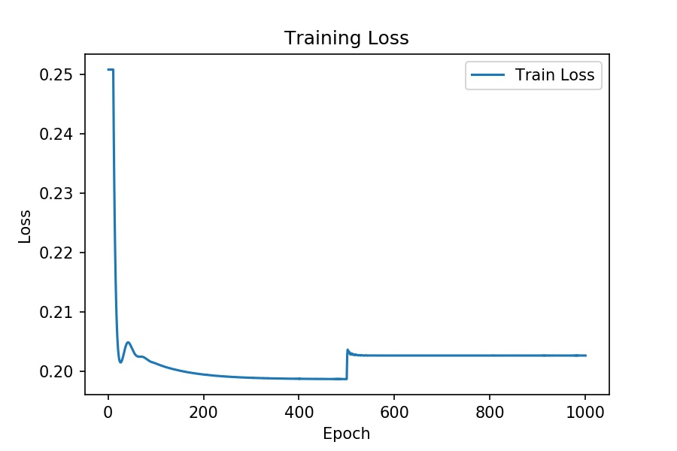
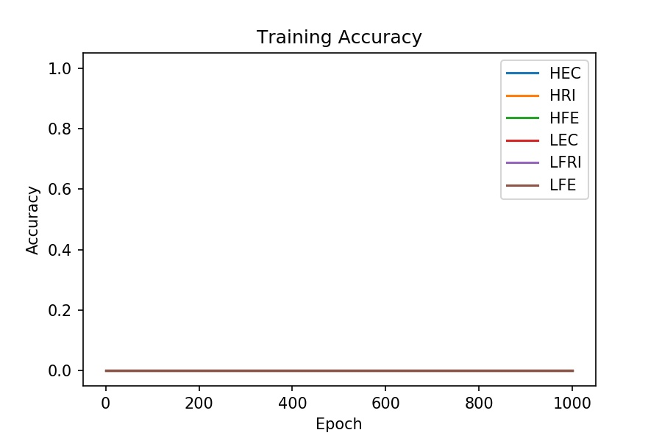
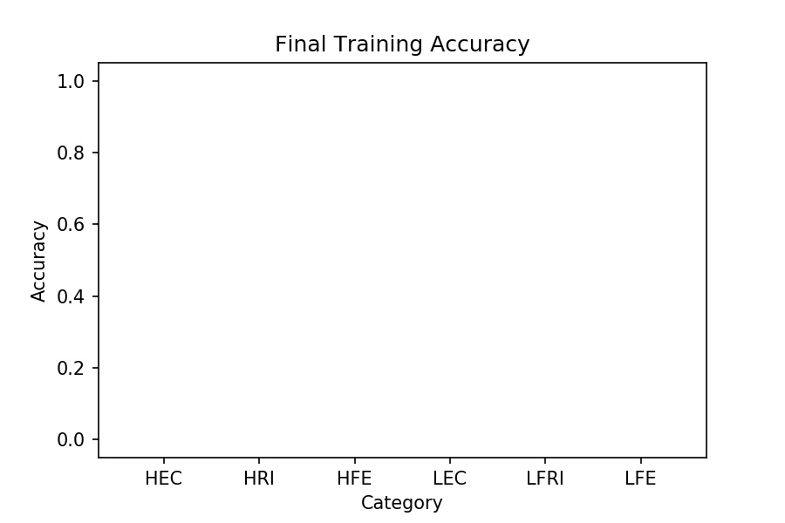
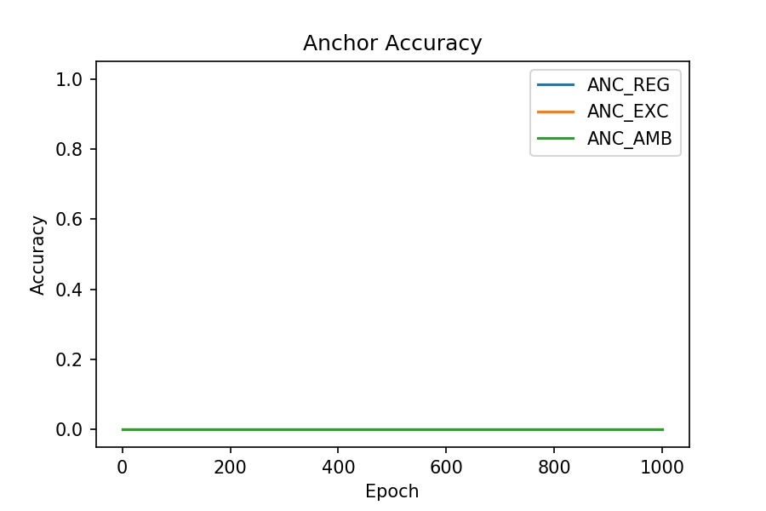
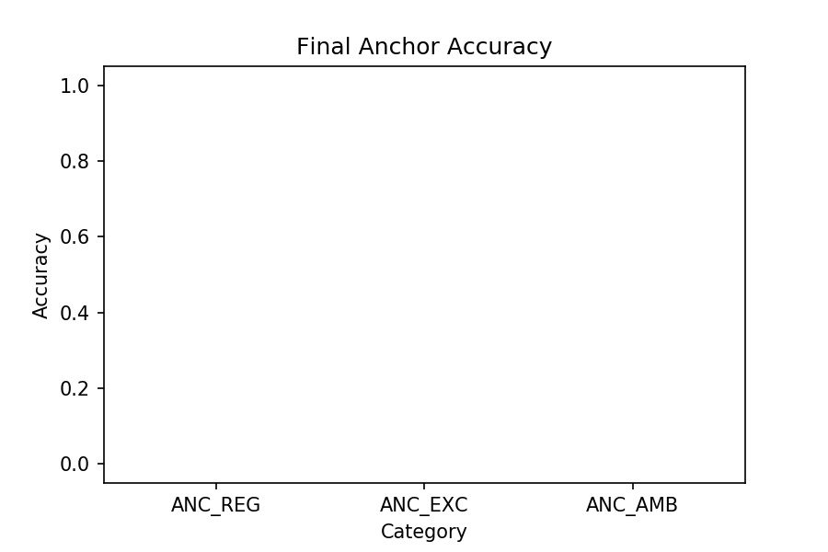
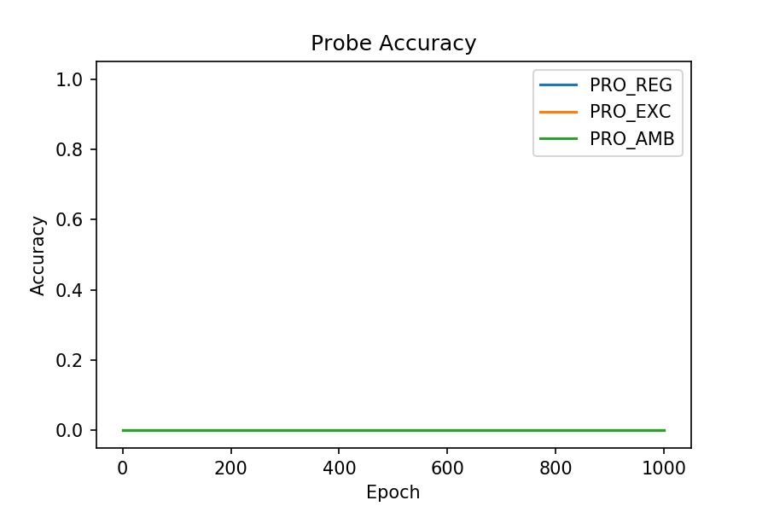

Simulation 5 | Anchor 1 only
[part1] |  | [part2]
start = 0 |  | start = 10
optim = SGD |  | optim = Adam
lr = 0.001 |  | lr = 0.01
momentum = 0 |  | momentum = 0.9
wd = 0.001 |  | wd = 0.001

